Cover page (MALL
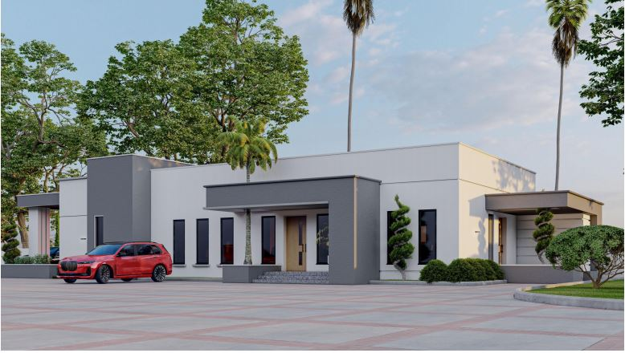
MAIN BUILDING (SHOPPING MALL )

